DASHBOARD
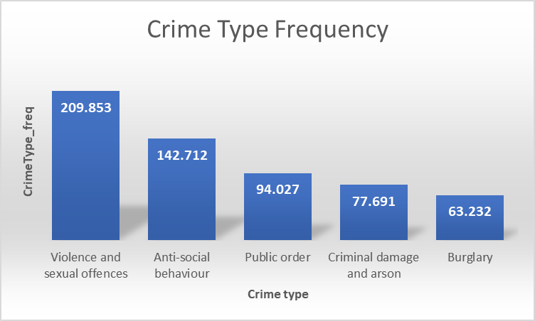
Crime Types by Year
 | 2017 | 2018
Violence and sexual offences | 101783 | 108015
Anti-social behaviour | 80817 | 61842
Public order | 48244 | 45764
Criminal damage and arson | 41555 | 36103
Burglary | 33014 | 30189
Vehicle crime | 31034 | 31807
Other theft | 25416 | 26429
Shoplifting | 17864 | 17394
Other crime | 7217 | 7932
Robbery | 6414 | 7584
Theft from the person | 6471 | 7357
Drugs | 4769 | 5028
Bicycle theft | 4576 | 4092
Possession of weapons | 2551 | 3485
CRIME PROFILLER FOR GREATER MANCHESTER
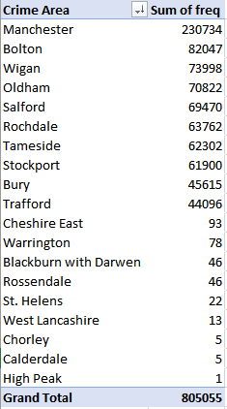
Monthly Crime rate Difference between 2017 and 2018
 | 2017 | 2018
January | 31670 | 31774
February | 30784 | 29609
March | 35094 | 33434
April | 34878 | 34120
May | 35890 | 35478
June | 36397 | 34386
July | 37480 | 35333
August | 35658 | 32184
September | 32768 | 30956
October | 35990 | 32838
November | 34052 | 32672
December | 31233 | 30377

Top 5 Crime_frequency by LSOA name
 | Crime_frequency
Manchester 055B | 16536
Manchester 054C | 15899
Manchester 060A | 6495
Rochdale 010C | 5425
Tameside 013A | 5374

